ART
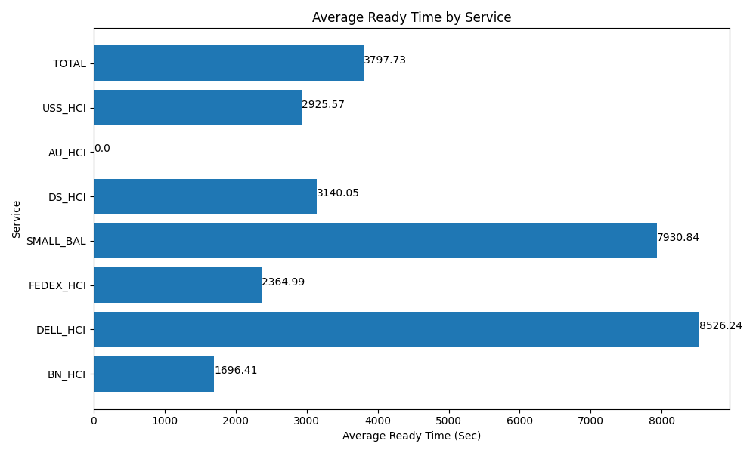
Date | Service | Successful Op Transfer | In Call (Sec) | Ready (Sec) | Wrapup (Sec) | Not Ready (Sec) | Average Ready Time (Sec)
03-10-2024 | BN_HCI | 604 | 26806.199341 | 17077.199707 | 74703.00293 | 42583.198242 | 1696.41
03-10-2024 | DELL_HCI | 125 | 12253.200073 | 17762.999268 | 34135.799561 | 12345 | 8526.24
03-10-2024 | FEDEX_HCI | 134 | 11056.799927 | 5281.7999268 | 13129.200439 | 3755.9999084 | 2364.99
03-10-2024 | SMALL_BAL | 93 | 5152.2001648 | 12292.800293 | 10696.799927 | 6772.7998352 | 7930.84
03-10-2024 | DS_HCI | 894 | 56374.200439 | 46786.801758 | 104820 | 69214.797363 | 3140.05
03-10-2024 | AU_HCI | 0 | 0 | 878.99997711 | 0 | 13.80000025 | 0
03-10-2024 | USS_HCI | 286 | 43175.998535 | 13945.19989 | 65493.00293 | 39444.001465 | 2925.57
 | TOTAL | 2136 | 154818.59848 | 114025.80082 | 302977.80579 | 174129.59681 | 3797.73

